Sheet1
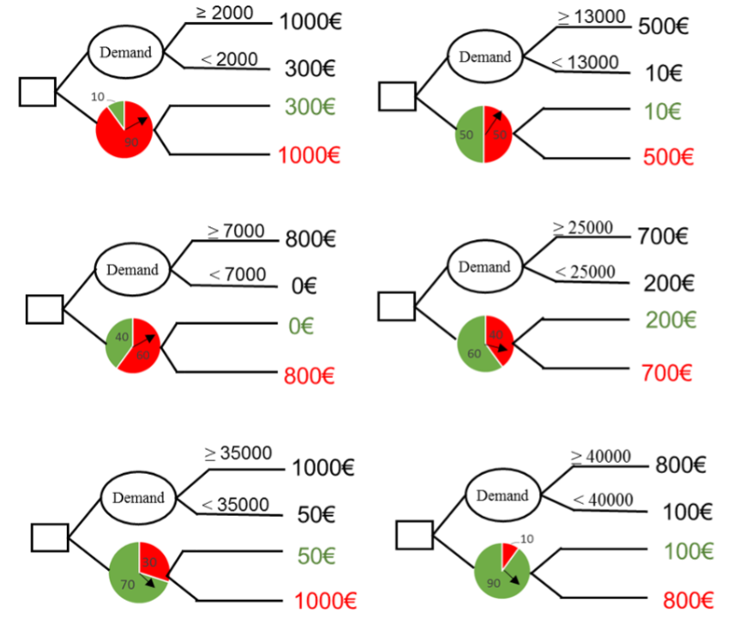
Probability statement resulting from the first indifference: (demand below 2000)
Dr. Jones is indifferent to receiving €300 with certainty if the demand is less than 2,000 units and €1000 if demand is no less than 2000 units; or to participating in a lottery that offers a 10% chance of receiving €300 and a 90% chance of receiving €1,000.
Probability statement resulting from the second indifference: (demand between 2,000 and 7,000)
Dr. Jones is indifferent to receiving €800 with certainty if the demand is between 2,000 and 7,000 units or to participating in a lottery that offers a 40% chance of receiving €800 and a 60% chance of receiving €0.
Probability statement resulting from the third indifference: (demand between 7,000 and 13,000)
Dr. Jones is indifferent to receiving €1,000 with certainty if the demand is between 7,000 and 13,000 units or to participating in a lottery that offers a 50% chance of receiving €1,000 and a 50% chance of receiving €10.
Probability statement resulting from the fourth indifference: (demand between 13000 - 25000)
Dr. Jones is indifferent to receiving €700 with certainty if the demand is between 13,000 and 25,000 units or to participating in a lottery that offers a 60% chance of receiving €200 and a 40% chance of receiving €700.
Probability statement resulting from the fifth indifference: (demand between 25000 - 35000)
Dr. Jones is indifferent to receiving €1,000 with certainty if the demand is between 25,000 and 35,000 units or to participating in a lottery that offers a 70% chance of receiving €50 and a 30% chance of receiving €1,000.
Probability statement resulting from the sixth indifference: (demand above 35000)
Dr. Jones is indifferent to receiving €800 with certainty if the demand is between 35,000 and 40,000 units or to participating in a lottery that offers a 90% chance of receiving €100 and a 10% chance of receiving €800.
# Scenario 1: 10% chance of €300, 90% chance of €1,000
EV1 = (0.10 * 300) + (0.90 * 1000)
# Scenario 2: 40% chance of €0, 60% chance of €800
EV2 = (0.40 * 0) + (0.60 * 800)
# Scenario 3: 50% chance of €10, 50% chance of €500
EV3 = (0.50 * 10) + (0.50 * 500)
# Scenario 4: 60% chance of €200, 40% chance of €700
EV4 = (0.60 * 200) + (0.40 * 700)
# Scenario 5: 70% chance of €50, 30% chance of €1,000
EV5 = (0.70 * 50) + (0.30 * 1000)
# Scenario 6: 90% chance of €100, 10% chance of €800
EV6 = (0.90 * 100) + (0.10 * 800)
EV1 = 930.0
EV2 = 480.0
EV3 = 255.0
EV4 = 400.0
EV5 = 335.0
EV6 = 170.0
For the first case, the expected value of the certain payoff should match the expected value of the wheel of fortune (€930.0), so we have this equation
930=(P(D<2000)×300)+((1−P(D<2000))×1000)
=> P(D<2000) = 0.1, which is the CDF value of the demand = 2000. We can see this pattern repeated for all 6 graphs, so CDF(demand) is equal to the green probability of the wheel of fortune
Demand (d) | CDF | Wheel of fortune Expected value
2000 | 0.1 | 930 | Present the CDF graph also on this worksheet
7000 | 0.4 | 480
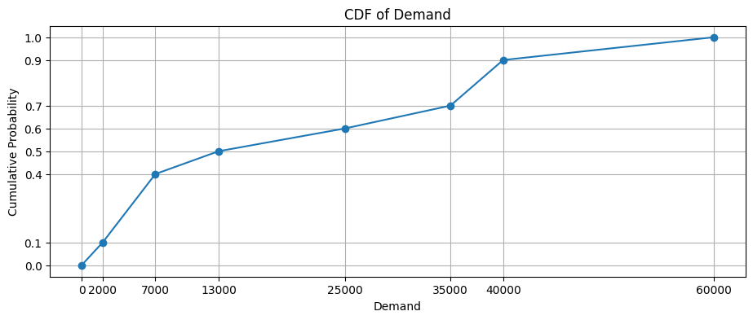
13000 | 0.5 | 255
25000 | 0.6 | 400
35000 | 0.7 | 335
40000 | 0.9 | 170
60000 | 1

What is the approximate probability that the demand is between 10000 and 30000? | Using linear interpolation, we have CDF(10000) = 0.45 CDF(30000) = 0.65
0.2

What is the expected demand (approximately)?
23600 | Expected value of a discrete CDF: E(X) = Sum(x * [F(x) - F(x-1)]) for all x

